Sheet1
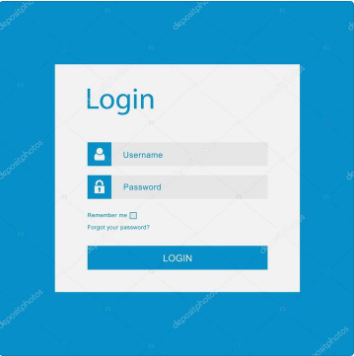
ID: 1 | Test case name: Verify that user can log in using correct username and password and is redirected to the homepage when clicking on the "LOGIN" button |  | ZADATAK: | Domaci za danas: Napisati 5 test kejseva za prilozenu sliku. Jedini validan username je "username" sa sifrom "password1". Klikom na "Login" dugme se redirektujete na homepage. Checkbox "Remember me" moze da bude stiklirano ili ne, kako bi se korisnik ulogovao. Dugme "Forgot your password?" vodi na forgotten password stranicu.
Precondition: | User is on the login page.
 | ACTION | EXPECTED RESULT
Step 1: | Input correct username in the "Username" field (example: username) | Username is entered and visible
Step 2: | Input correct password in the "Password" field (example: password1) | Password is entered and characters are covered with dots.
Step 3: | Click on "LOGIN" button | User is successfully logged in and redirected to the homepage.

ID: 2 | Test case name: Verify that user cannot log in using the incorrect username
 | ACTION | EXPECTED RESULT
Step 1: | Input incorrect username in the "Username" field (example: whatever) | Username is entered and visible.
Step 2: | Input correct password in the "Password" field (example: password1) | Password is entered and characters are covered with dots.
Step 3: | Click on "LOGIN" button | User is not logged in and a notification error message appears.

ID: 3 | Test case name: Verify that user cannot log in with incorrect password
 | ACTION | EXPECTED RESULT
Step 1: | Input incorrect username in the "Username" field (example: username) | Username is entered and visible.
Step 2: | Input correct password in the "Password" field (example: Paswordd11)) | Password is entered and characters are covered with dots.
Step 3: | Click on "LOGIN" button | User is not logged in and a notification error message appears.

ID: 4 | Test case name: Verify that user cannot log in with incorrect username and password
 | ACTION | EXPECTED RESULT
Step 1: | Input incorrect username in the "Username" field (example: whatever) | Username is entered and visible.
Step 2: | Input correct password in the "Password" field (example: Paswordd11)) | Password is entered and characters are covered with dots.
Step 3: | Click on "LOGIN" button | User is not logged in and a notification error message appears.

ID: 5 | Test case name: Verify that when the user ticks the "Remember me" checkbox, they are able to log in
 | ACTION | EXPECTED RESULT
Step 1: | Input correct username in the "Username" field (example: username) | Username is entered and visible
Step 2: | Input correct password in the "Password" field (example: password1) | Password is entered and characters are covered with dots.
Step 3: | Tick the "Remember me" checkbox. | Remember me checkbox is ticked.
Step 4: | Click on "LOGIN" button | User is successfully logged in and redirected to the homepage.

ID: 6 | Test case name: Verify that when the user unticks the "Remember me" checkbox, they are able to log in
 | ACTION | EXPECTED RESULT
Step 1: | Input correct username in the "Username" field (example: username) | Username is entered and visible
Step 2: | Input correct password in the "Password" field (example: password1) | Password is entered and characters are covered with dots.
Step 3: | leave the "Remember me" checkbox unticked. | Remember me checkbox is unticked.
Step 4: | Click on "LOGIN" button | User is successfully logged in and redirected to the homepage.

ID: 7 | Test case name: Verify that clicking the "Forgot your password?" button redirects the user to the "Forgotten password" page
 | ACTION | EXPECTED RESULT
Step 1: | Click on the "Forgot your password?" button below the "Remember me" checkbox. | The user is redirected to the "Forgotten password" page.

